Race Results


ROUND OF 64 | ROUND OF 32 | ROUND OF 16 | QUARTERS | SEMIS |  | SEMIS | QUARTERS | ROUND OF 16 | ROUND OF 32 | ROUND OF 64


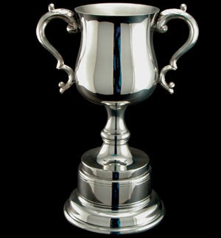

 |  |  |  |  | CHAMPIONSHIP
 |  |  |  |  | GOLD

 |  |  |  |  | SILVER

 |  |  |  |  | FINAL
 |  |  |  |  | GOLD
 |  |  |  |  | SILVER
 |  |  |  |  | BRONZE
 |  |  |  |  | 4th
 |  |  |  |  | RESULTS

 |  |  |  |  | BRONZE

 |  |  |  |  | 4th
 |  |  |  |  | CONSOLATION
 |  |  |  |  | FINAL

